Schedules
PP&E

(in thousands) | 2018 Act | 2019 Act | 2020 Act | 2021 Forecasted | 2022 Forecatsed | 2023 Forecasted | 2024 Forecasted
Beginning Balance |  | 418,281 | 565,221 | 960,183 | 1,284,140 | 1,580,571 | 1,855,678
add: Capex |  | 250,519 | 510,672 | 510,672 | 510,672 | 510,672 | 510,672
less: Depreciation | 83,157 | 103,579 | 115,710 | 186714.9 | 214240.8 | 235565.5 | 252342.1
Closing Balance | 418,281 | 565,221 | 960,183 | 1284140.1 | 1580571.3 | 1855677.9 | 2114007.8

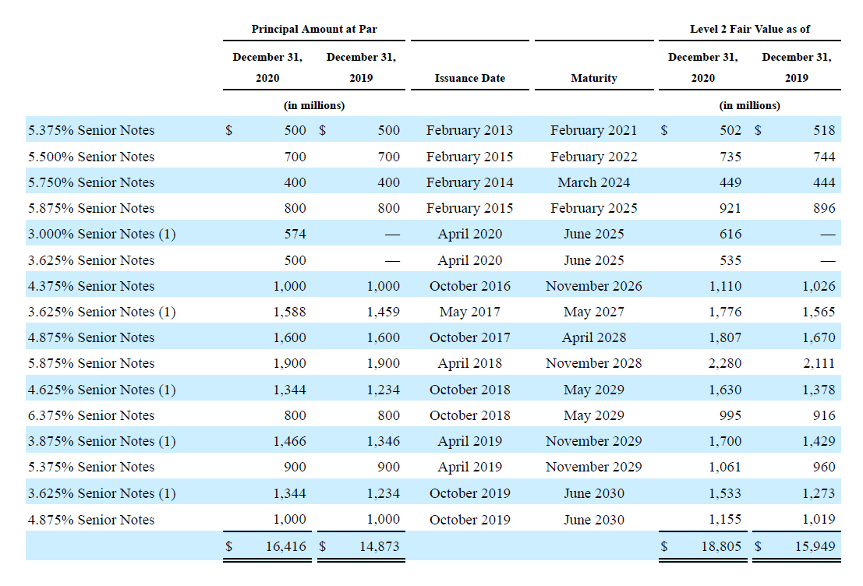
Useful life |  | 6 | 9 | 7.9 | 8.38 | 8.88 | 9.38

Content Assets
(in thousands) | 2018 Act | 2019 Act | 2020 Act | 2021 Forecasted | 2022 Forecatsed | 2023 Forecasted | 2024 Forecasted
Beginning Balance |  | 14,951,141 | 24,504,567 | 25,383,950 | 26490394.691 | 27281059.995 | 27846069.371
add: Addition to Content Assets |  | 18,769,673 | 11,686,295 | 11,686,295 | 11,686,295 | 11,686,295 | 11,686,295
less: Amortisation of Content Assets |  | 9,216,247 | 10,806,912 | 10579850.309 | 10895629.695 | 11121285.624 | 11282539.336
Closing Balance | 14,951,141 | 24,504,567 | 25,383,950 | 26490394.691 | 27281059.995 | 27846069.371 | 28249825.034

Useful life |  | 3.7 | 3.3 | 3.5 | 3.5 | 3.5 | 3.5

Debt Schedule
Beginning Balance of Debt |  | 10,360,058 | 14,759,260 | 15,809,095 | 15,309,095 | 14,609,095 | 14,609,095
add/less: Debt Taken /(debt repaid) |  | 4,399,202 | 1,049,835 | (500,000) | (700,000) | 0 | (400,000)
Closing Balance | 10,360,058 | 14,759,260 | 15,809,095 | 15,309,095 | 14,609,095 | 14,609,095 | 14,209,095

Interest Expense | (420,493) | (626,023) | (767,499) | (696,285) | (664,447.57) | (664,447.57) | (646,255)
 | -4.1% | -4.2% | -4.9% | -4.5% | -4.5% | -4.5% | -4.5%

WACC
WACC

Risk free Rate | 1.67%
Market Risk Premium | 5.50%
Beta | 1.058

(in thousands) | Amount

Cost of Equity | 7.27% | RiskfreeRate*beta + Market Risk Premium
Cost Debt | 4.88%

Equity | 25,722,264.41
Debt | 14,209,095.00
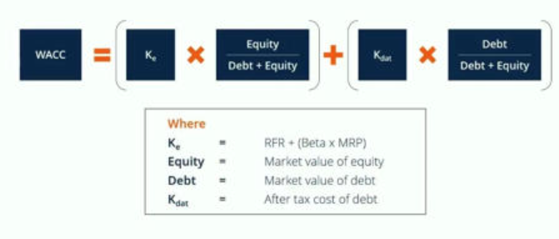
Equity/(Equity+Debt) | 0.64416200173
Debt/(Equity+Debt) | 0.35583799827

WACC | 6.42%

DCF
DCF Analysis
 | 2021 Forecasted | 2022 Forecatsed | 2023 Forecasted | 2024 Forecasted
(in thousands)
UFCF | 2,041,907.77 | 3,126,088.38 | 3,918,511.51 | 4,660,888.15
Discounting Factor | 0.93971056345 | 0.88305594306 | 0.82981699782 | 0.77978779858
No of Years | 1 | 2 | 3 | 4

PV of UFCF | 1,918,802.30 | 2,760,510.92 | 3,251,647.46 | 3,634,503.71
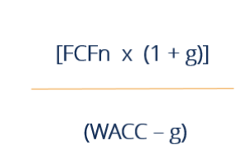
Sum of PV | 11,565,464.39

Terminal Value | 99,852,070.73
PV of Terminal value | 77,863,426.42

Enterprise Value | 89,428,890.81
Debt | 14209095
Cash | 18047199.645
Equity Value | 93,266,995.45

